4.82_Hnet
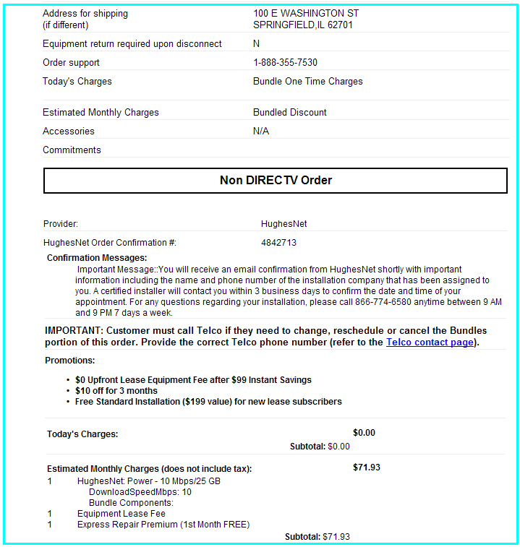
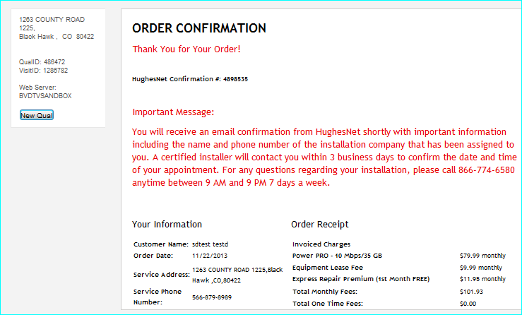
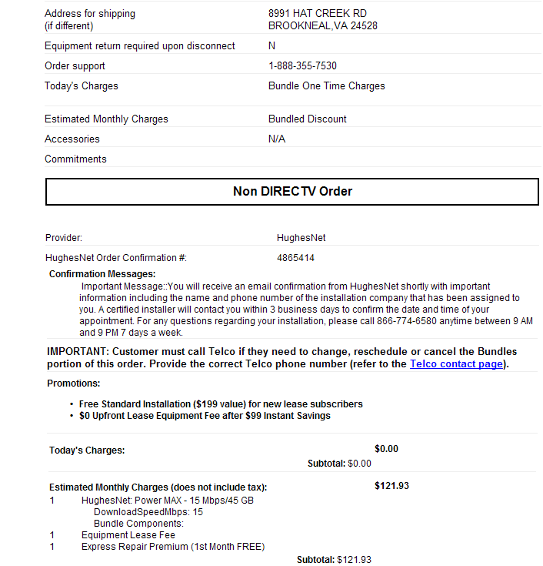
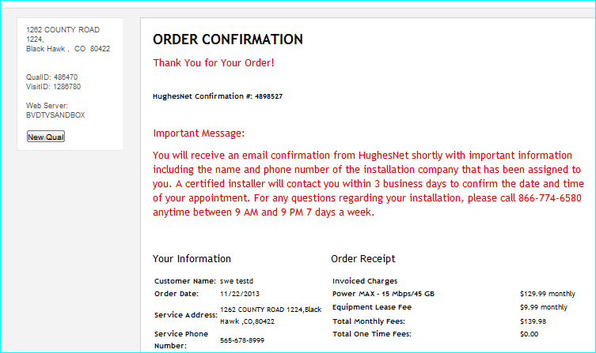
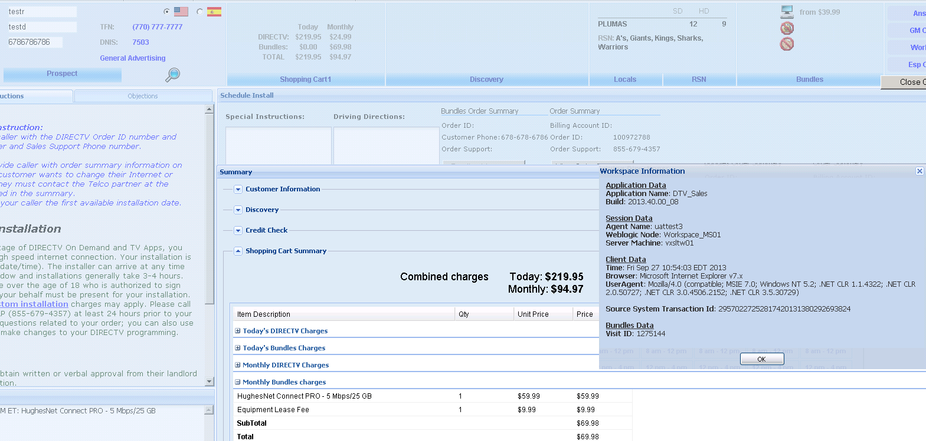
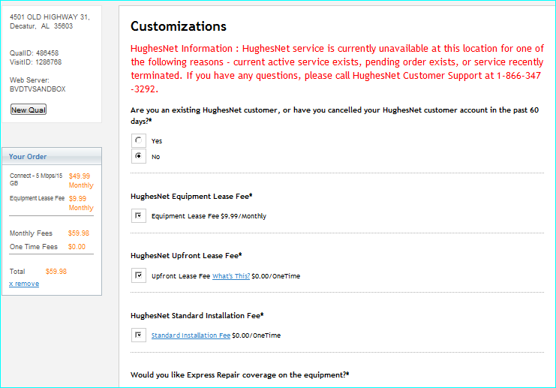
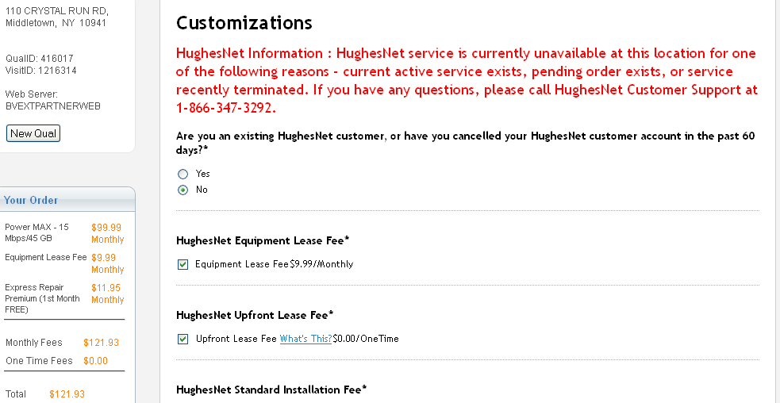
DTV-12/12- Release - HughesNet Regression Testing
 | Test Case | Test Data | Steps | Expected Result | VisitID | Order number | Pass/Fail | Comments
1 | Jupiter- Connect | Address: 4501 OLD HIGHWAY 31 DECATUR AL 35603 Visa CC - 4485330755929574 | 1. Qualify with the address 2. Add Connect Pro product to cart 3. Complete Essentials page and Submit Express Repair coverage ; Equipment lease fee;T&C; 4. Select schedule date and submit 5. Complete checkout page and Submit. | 1. Verify the products are displayed in the Results page. Also verify the product details, promotion details and features. 2. Verify the Essentials page is displayed - Validate the required fields T&C; Express Repair coverage ; Equipment lease fee 3. Verify the Schedule dates page is displayed 4. Verify Checkout page is displayed - Validate the required fields Firstname; Lastname; email; contactno; billing address; CCNo;Expiry date; CVV; 5. Verify Confirmation page is displayed and verify the confirmation number and the prices in the cart. | D0/ VisitID: 1286778 Address: 401 S Main St Canton KS 67428 |  | Pass | <StandardResponse xmlns="http://www.hns.com/iag/schemas/partner"> - <MessageHeader> <TransactionDateTime>11/22/2013 15:40:46</TransactionDateTime> <TransactionCode>RES</TransactionCode> <TransactionSequenceId>DSS155535485</TransactionSequenceId> <CorrelationTransactionId>J9GQ2WWQZ4ZA</CorrelationTransactionId> </MessageHeader> <OrderId>4898516</OrderId> <Code>5</Code> <Message>Thank You! Your request has been approved. Code PIM 05(P)</Message> <RequestType>ORD</RequestType> - <StandardizedInstallAddress> <StreetAddress1>401 S Main St</StreetAddress1> <City>Canton</City> <State>KS</State> <PostalCode>67428-7029</PostalCode> <CountryCode>US</CountryCode> </StandardizedInstallAddress> - <StandardizedBillingAddress> <StreetAddress1>401 S Main St</StreetAddress1> <City>Canton</City> <State>KS</State> <PostalCode>67428-7029</PostalCode> <CountryCode>US</CountryCode>
2 | Jupiter - Power | Address: 506 N 29th St Harrisburg PA 17109 Mastercard - 5322311213652580 | 1. Qualify with the address 2. Add Power product to cart 3. Complete Essentials page and Submit Express Repair coverage ; Equipment lease fee;T&C; 4. Select schedule date and submit 5. Complete checkout page and Submit. | 1. Verify the products are displayed in the Results page. Also verify the product details, promotion details and features. 2. Verify the Essentials page is displayed - Validate the required fields T&C; Express Repair coverage ; Equipment lease fee 3. Verify the Schedule dates page is displayed 4. Verify Checkout page is displayed - Validate the required fields Firstname; Lastname; email; contactno; billing address; CCNo;Expiry date; CVV; 5. Verify Confirmation page is displayed and verify the confirmation number and the prices in the cart. | VisitID= 1215579 |  |  |  | 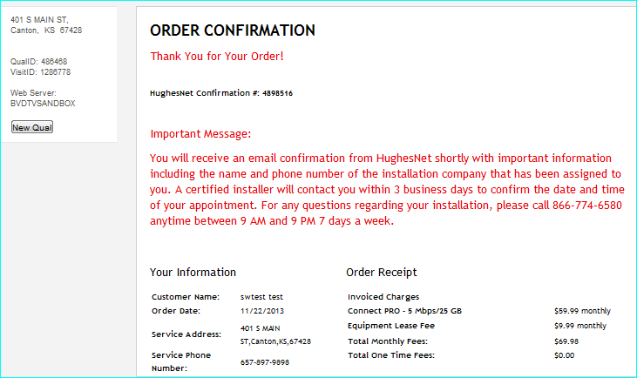
3 | Jupiter - Power Pro | Address: 1262 County Road 1224 Celina TX 75009 | 1. Qualify with the address 2. Add Powe Pro product to cart 3. Complete Essentials page and Submit Express Repair coverage ; Equipment lease fee;T&C; 4. Select schedule date and submit 5. Complete checkout page and Submit. | 1. Verify the products are displayed in the Results page. Also verify the product details, promotion details and features. 2. Verify the Essentials page is displayed - Validate the required fields T&C; Express Repair coverage ; Equipment lease fee 3. Verify the Schedule dates page is displayed 4. Verify Checkout page is displayed - Validate the required fields Firstname; Lastname; email; contactno; billing address; CCNo;Expiry date; CVV; 5. Verify Confirmation page is displayed and verify the confirmation number and the prices in the cart. | D0/ VisitID: 1286782 1263 COUNTY ROAD 1225, Black Hawk , CO 80422 |  | Pass | <Code>575</Code> <Message>The customer could not be qualified for any HughesNet Service as the Installation/Billing Address could not be validated. [The street number in the input address was not valid.]. Please verify the Address and re-submit your request. If the customer verifies the address, and it still cannot be validated because the address is New and not in the USPS database, provide an Address Override Flag to get the HughesNet Service the customer qualifies for. Code PIM 575 : 311137022(P)</Message> <RequestType>ORD</RequestType>
4 | Jupiter - Power Max | Address: 1262 County Road 1224 Celina TX 75009 | 1. Qualify with the address 2. Add Powe Max product to cart 3. Complete Essentials page and Submit Express Repair coverage ; Equipment lease fee;T&C; 4. Select schedule date and submit 5. Complete checkout page and Submit. | 1. Verify the products are displayed in the Results page. Also verify the product details, promotion details and features. 2. Verify the Essentials page is displayed - Validate the required fields T&C; Express Repair coverage ; Equipment lease fee 3. Verify the Schedule dates page is displayed 4. Verify Checkout page is displayed - Validate the required fields Firstname; Lastname; email; contactno; billing address; CCNo;Expiry date; CVV; 5. Verify Confirmation page is displayed and verify the confirmation number and the prices in the cart. | D0/ VisitID: 1286780 1262 COUNTY ROAD 1224, Black Hawk , CO 80422 |  | Pass | <Code>575</Code> <Message>The customer could not be qualified for any HughesNet Service as the Installation/Billing Address could not be validated. [The street number in the input address was not valid.]. Please verify the Address and re-submit your request. If the customer verifies the address, and it still cannot be validated because the address is New and not in the USPS database, provide an Address Override Flag to get the HughesNet Service the customer qualifies for. Code PIM 575 : 311137022(P)</Message> <RequestType>ORD</RequestType>
5 | Sales CRM - Spaceway - Connect Pro | Address: 808 3rd Ave SE Sidney MT 59270 Visa CC - 4568764037051353 | 1. Qualify with the address 2. Add Connect Pro product to cart 3. Complete Essentials page and Submit Express Repair coverage ; Equipment lease fee;T&C; 4 Complete checkout page and Submit. | 1. Verify the products are displayed in the Results page. Also verify the product details, promotion details and features. 2. Verify the Essentials page is displayed - Validate the required fields T&C; Express Repair coverage ; Equipment lease fee 3. Verify Checkout page is displayed - Validate the required fields Firstname; Lastname; email; contactno; billing address; CCNo;Expiry date; CVV; 4. Verify Confirmation page is displayed and verify the confirmation number and the prices in the cart. | VisitID: 1275144 QSID = 474841 |  | Pass
6 | OMS- Grey Area Addess - Connect | 6301 WILD ROSE LN, Valley Center , KS 67147 | 1. Qualify with the address 2. Add Connect product to cart 3. Complete Essentials page and Submit Express Repair coverage ; Equipment lease fee;T&C; 4. Select schedule date and submit 5. Complete checkout page and Submit. | 1. Verify the products are displayed in the Results page. Also verify the product details, promotion details and features. 2. Verify the Essentials page is displayed - Validate the required fields T&C; Express Repair coverage ; Equipment lease fee 3. Verify the Schedule dates page is displayed 4. Verify Checkout page is displayed - Validate the required fields Firstname; Lastname; email; contactno; billing address; CCNo;Expiry date; CVV; 5. Verify Confirmation page is displayed and verify the confirmation number and the prices in the cart. | VisitID: 1275144 |  | Pass
7 | Order Portal - Pending order | 506 N 29TH ST, Harrisburg, PA 17109 Address Used: 4501 OLD HIGHWAY 31, Decatur, AL 35603 | 1. Qualify with the address 2. Add Connect product to cart 3. Complete Essentials page and Submit Express Repair coverage ; Equipment lease fee;T&C; 4. Select schedule date and submit 5. Complete checkout page and Submit. | 1. Verify the products are displayed in the Results page. Also verify the product details, promotion details and features. 2. Verify the Essentials page is displayed - Validate the required fields T&C; Express Repair coverage ; Equipment lease fee 3. Verify the Schedule dates page is displayed 4. Verify Checkout page is displayed - Validate the required fields Firstname; Lastname; email; contactno; billing address; CCNo;Expiry date; CVV; 5. Verify essentials page is displayed with Pending order message | D0/ VisitID: 1286768 |  | Pass | <Code>3005</Code> <Message>You have submitted an order for an installation address for which there is already a pending or open order. This pending or open must be closed or cancelled before a new order can be accepted. Code PIM 3005 : 110013005(P)</Message>
8 | Order Portal - Existing service/ Recently terminated service | 12235 Briar Knoll Way San Diego CA 92128 | 1. Qualify with the address 2. Add Connect product to cart 3. Complete Essentials page and Submit Express Repair coverage ; Equipment lease fee;T&C; 4. Select schedule date and submit 5. Complete checkout page and Submit. | 1. Verify the products are displayed in the Results page. Also verify the product details, promotion details and features. 2. Verify the Essentials page is displayed - Validate the required fields T&C; Express Repair coverage ; Equipment lease fee 3. Verify the Schedule dates page is displayed 4. Verify Checkout page is displayed - Validate the required fields Firstname; Lastname; email; contactno; billing address; CCNo;Expiry date; CVV; 5. Verify essentials page is displayed with Pending order message

